Canada Post
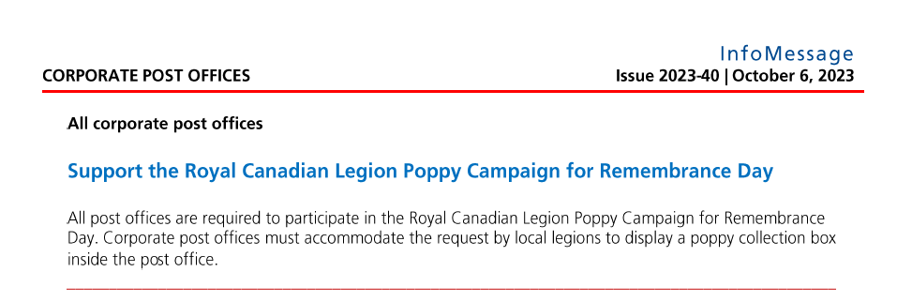
2023 LEGION POPPY CAMPAIGN
CANADA POST

All Canada Post Offices, EN: https://www.canadapost-postescanada.ca/cpc/en/tools/find-a-post-office.page
All Canada Post Offices, FR: https://www.canadapost-postescanada.ca/scp/fr/outils/trouver-un-bureau-de-poste.page

On October 6, all corporate post offices were advised that they are required to participate in the 2023 Poppy Campaign. All dealer post offices were encouraged to participate as they are not corporately owned. The following is an excerpt from the weekly communication that was sent. It is referred to as an InfoMessage and Branches can quote the issue #2023-40 which was distributed on October 6.

